Planning
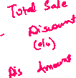

KPI
5604598.96
6152332.04
6152332.04 | 547733.08 |  | 5,604,599 | Total Sale is 5604599 |  |  |  |  |  |  |  |  |  |  |  |  |  |  | 5604598.96 |  |  | 5604598.96
Sum of Total Sales | Sum of Discount Amount | Row Labels | Sum of Net Sales | Sum of Profit Amount | Row Labels | Sum of Net Sales | Sum of Profit Amount | Row Labels | Sum of Net Sales | Row Labels | Sum of Net Sales | Average of Profit Margin % | Row Labels | Sum of Net Sales | Sum of Quantity Sold | Row Labels | Sum of Net Sales | Row Labels | Sum of Net Sales | Sum of Net Sales2 | Row Labels | Sum of Net Sales2
6152332.04 | 547733.08 | East | 5604598.96 | 100.00% | Bhubaneswar | 1892899.51 | 33.64% | Offline | 2795725.26 | Beauty | 1484501.15 | 24% | Curtain | 469360.59 | 9.01% | Card | 24.39% | Cancelled | 1324920.18 | 23.64% | Jan | 13.86%
547733.08
 |  | Grand Total | 5604598.96 | 100.00% | Kolkata | 1930419.41 | 34.56% | Online | 2808873.7 | Clothing | 1367651.77 | 23% | Face Cream | 544177.88 | 9.58% | COD | 25.37% | Delivered | 1389004.79 | 24.78% | Feb | 12.29%
 |  |  |  |  | Patna | 1781280.04 | 31.80% | Grand Total | 5604598.96 | Electronics | 1342707.73 | 23% | Jacket | 480067.69 | 8.86% | UPI | 25.60% | In-Transit | 1567078.87 | 27.96% | Mar | 12.63%
5604598.96 | 1312009.3 |  |  |  | Grand Total | 5604598.96 | 100.00% |  |  | Home Decor | 1409738.31 | 23% | Jeans | 468824.6 | 7.48% | Wallet | 24.64% | Returned | 1323595.12 | 23.62% | Apr | 5.91%
Online / Offline
Sum of Net Sales | Sum of Profit Amount |  |  |  |  |  |  |  |  | Grand Total | 5604598.96 | 23% | Lamp | 504648.6 | 8.47% | Grand Total | 100.00% | Grand Total | 5604598.96 | 100.00% | May | 6.85%
5604598.96 | 1312009.3 |  |  |  |  |  |  |  |  |  |  |  | Laptop | 429527.94 | 8.46% |  |  |  |  |  | Jun | 6.57%
5604598.96
1312009.3
 |  |  |  |  |  |  |  |  |  | Row Labels | Sum of Net Sales |  | Lipstick | 487140.57 | 8.12% |  |  | Row Labels | Sum of Net Sales |  | Jul | 7.45%
 |  |  |  |  |  |  |  |  |  | Beauty | 1484501.15 |  | Mobile | 479820.92 | 8.59% |  |  | Cancelled | 1324920.18 |  | Aug | 7.25%
 |  | Row Labels | Sum of Net Sales | Sum of Profit Amount |  |  |  |  |  | Clothing | 1367651.77 |  | Perfume | 453182.7 | 8.08% |  |  | Delivered | 1389004.79 |  | Sep | 6.52%
 |  | Central | #REF! | #REF! |  |  |  |  |  | Electronics | 1342707.73 |  | Shirt | 418759.48 | 7.27% |  |  | In-Transit | 1567078.87 |  | Oct | 6.49%
 |  | East | 5604598.96 | 100% |  |  |  |  |  | Home Decor | 1409738.31 |  | Sofa | 435729.12 | 8.17% |  |  | Returned | 1323595.12 |  | Nov | 6.38%
 |  | North | #REF! | #REF! |  |  |  |  |  | Grand Total |  |  | Tablet | 433358.87 | 7.92% |  |  | Grand Total | 5604598.96 |  | Dec | 7.79%
 |  | South | #REF! | #REF! |  |  |  |  |  |  |  |  | Grand Total | 5604598.96 | 100.00% |  |  |  |  |  | Grand Total | 100.00%
This chart isn't available in your version of Excel.Editing this shape or saving this workbook into a different file format will permanently break the chart.
 |  | West | #REF! | #REF!
This chart isn't available in your version of Excel.Editing this shape or saving this workbook into a different file format will permanently break the chart.
 |  | Grand Total | #REF! | #REF!
5,604,599
 |  |  |  |  |  |  |  |  |  |  |  |  |  |  |  |  |  |  |  |  |  | Row Labels | Sum of Net Sales
 |  |  |  |  | Row Labels | Sum of Net Sales | Sum of Profit Amount |  |  |  |  |  |  |  |  |  |  |  |  |  |  | Jan | 776653.88
 |  |  |  |  | Ahmedabad | #REF! | 0.33644042767 |  |  |  |  |  |  |  |  |  |  |  |  |  |  | Feb | 688785.83
 |  |  |  |  | Bangalore | #REF! | 0.34557255806 |  |  |  |  |  |  |  |  |  |  |  |  |  |  | Mar | 707647.12
 |  |  |  |  | Bhopal | #REF! | 0.31798701427 |  |  |  |  |  |  |  |  |  |  |  |  |  |  | Apr | 331005.46
Timeline: Works in Excel 2013 or higher. Do not move or resize.
 |  |  |  |  | Bhubaneswar | 1892899.51 | #REF! |  |  |  |  |  |  |  |  |  |  |  |  |  |  | May | 384133.19
 |  |  |  |  | Chandigarh | #REF! | #REF! |  |  |  |  |  |  |  |  |  |  |  |  |  |  | Jun | 368363.09
 |  |  |  |  | Chennai | #REF! | #REF! |  |  |  |  |  |  |  |  |  |  |  |  |  |  | Jul | 417733.01
 |  |  |  |  | Delhi | #REF! | #REF! |  |  |  |  |  |  |  |  |  |  |  |  |  |  | Aug | 406544.58
 |  |  |  |  | Hyderabad | #REF! | #REF! |  |  |  |  |  |  |  |  |  |  |  |  |  |  | Sep | 365684.43
 |  |  |  |  | Kolkata | 1930419.41 | #REF! |  |  |  |  |  |  |  |  |  |  |  |  |  |  | Oct | 363867.97
 |  |  |  |  | Lucknow | #REF! | #REF! |  |  |  |  |  |  |  |  |  |  |  |  |  |  | Nov | 357568.14
 |  |  |  |  | Mumbai | #REF! | #REF! |  |  |  |  |  |  |  |  |  |  |  |  |  |  | Dec | 436612.26
 |  |  |  |  | Nagpur | #REF! | #REF! |  |  |  |  |  |  |  |  |  |  |  |  |  |  | Grand Total | 5604598.96
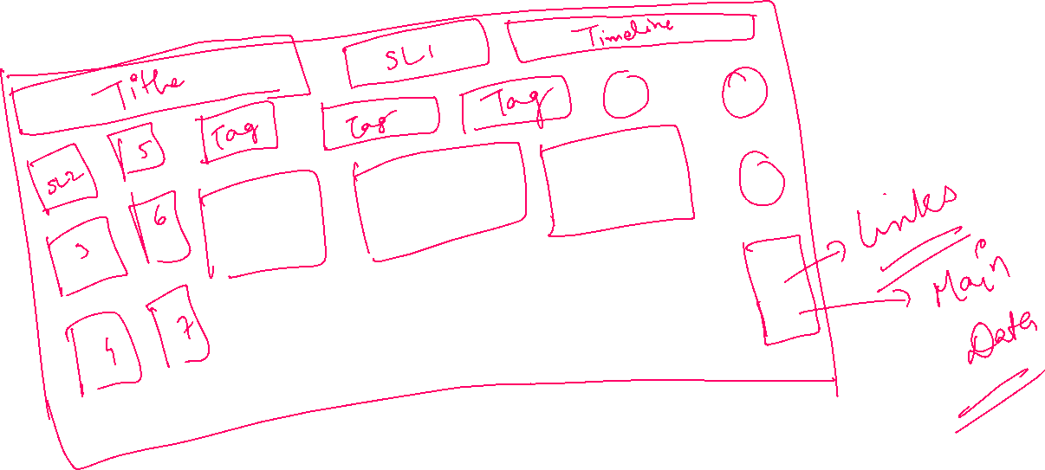
 |  |  |  |  | Patna | 1781280.04 | #REF!
 |  |  |  |  | Pune | #REF! | #REF!
 |  |  |  |  | Raipur | #REF! | #REF!
 |  |  |  |  | Grand Total

This shape represents a slicer. Slicers are supported in Excel 2010 or later.If the shape was modified in an earlier version of Excel, or if the workbook was saved in Excel 2003 or earlier, the slicer cannot be used.
This shape represents a slicer. Slicers are supported in Excel 2010 or later.If the shape was modified in an earlier version of Excel, or if the workbook was saved in Excel 2003 or earlier, the slicer cannot be used.




This shape represents a slicer. Slicers are supported in Excel 2010 or later.If the shape was modified in an earlier version of Excel, or if the workbook was saved in Excel 2003 or earlier, the slicer cannot be used.
This shape represents a slicer. Slicers are supported in Excel 2010 or later.If the shape was modified in an earlier version of Excel, or if the workbook was saved in Excel 2003 or earlier, the slicer cannot be used.
This shape represents a slicer. Slicers are supported in Excel 2010 or later.If the shape was modified in an earlier version of Excel, or if the workbook was saved in Excel 2003 or earlier, the slicer cannot be used.

This shape represents a slicer. Slicers are supported in Excel 2010 or later.If the shape was modified in an earlier version of Excel, or if the workbook was saved in Excel 2003 or earlier, the slicer cannot be used.

This shape represents a slicer. Slicers are supported in Excel 2010 or later.If the shape was modified in an earlier version of Excel, or if the workbook was saved in Excel 2003 or earlier, the slicer cannot be used.

Dashboard
Sales Dashboard
This shape represents a slicer. Slicers are supported in Excel 2010 or later.If the shape was modified in an earlier version of Excel, or if the workbook was saved in Excel 2003 or earlier, the slicer cannot be used.
This shape represents a slicer. Slicers are supported in Excel 2010 or later.If the shape was modified in an earlier version of Excel, or if the workbook was saved in Excel 2003 or earlier, the slicer cannot be used.
This shape represents a slicer. Slicers are supported in Excel 2010 or later.If the shape was modified in an earlier version of Excel, or if the workbook was saved in Excel 2003 or earlier, the slicer cannot be used.

Timeline: Works in Excel 2013 or higher. Do not move or resize.
Total Sales
Total Profit
 | Total
Card | 24.39%
COD | 25.37%
UPI | 25.60%
Wallet | 24.64%
Online / Offline
 | Total
Offline | 2795725.26
Online | 2808873.7

5604598.96
1312009.3

1312009.3

5604598.96
 | Total
Jan | 13.86%
Feb | 12.29%
Mar | 12.63%
Apr | 5.91%
May | 6.85%
Jun | 6.57%
Jul | 7.45%
Aug | 7.25%
Sep | 6.52%
Oct | 6.49%
Nov | 6.38%
Dec | 7.79%
This shape represents a slicer. Slicers are supported in Excel 2010 or later.If the shape was modified in an earlier version of Excel, or if the workbook was saved in Excel 2003 or earlier, the slicer cannot be used.
5,604,599
 | Sum of Net Sales | Sum of Profit Amount
Central | 0 | 0%
East | 5604598.96 | 100%
North | 0 | 0%
South | 0 | 0%
West | 0 | 0%

This chart isn't available in your version of Excel.Editing this shape or saving this workbook into a different file format will permanently break the chart.

This shape represents a slicer. Slicers are supported in Excel 2010 or later.If the shape was modified in an earlier version of Excel, or if the workbook was saved in Excel 2003 or earlier, the slicer cannot be used.

This chart isn't available in your version of Excel.Editing this shape or saving this workbook into a different file format will permanently break the chart.

This shape represents a slicer. Slicers are supported in Excel 2010 or later.If the shape was modified in an earlier version of Excel, or if the workbook was saved in Excel 2003 or earlier, the slicer cannot be used.

 | Sum of Net Sales | Sum of Profit Amount
Bhubaneswar | 1892899.51 | 33.64%
Kolkata | 1930419.41 | 34.56%
Patna | 1781280.04 | 31.80%
 | Sum of Net Sales | Sum of Quantity Sold
Curtain | 469360.59 | 9.01%
Face Cream | 544177.88 | 9.58%
Jacket | 480067.69 | 8.86%
Jeans | 468824.6 | 7.48%
Lamp | 504648.6 | 8.47%
Laptop | 429527.94 | 8.46%
Lipstick | 487140.57 | 8.12%
Mobile | 479820.92 | 8.59%
Perfume | 453182.7 | 8.08%
Shirt | 418759.48 | 7.27%
Sofa | 435729.12 | 8.17%
Tablet | 433358.87 | 7.92%

This shape represents a slicer. Slicers are supported in Excel 2010 or later.If the shape was modified in an earlier version of Excel, or if the workbook was saved in Excel 2003 or earlier, the slicer cannot be used.

Theory
